Fluids & Materials
SHELL SIDE PROPERTIES
 |  |  | Mass Flow Rate = | 5.5 | kg/s | Nusselt Cor = | 4 | NO BAFFLES | Is Shell Fluid Food or Corrosive? | 1
 |  |  |  | 727.52 | Lb / min |  | Laminar 1 < Re < 100
 |  |  | Fluid Inlet Temp = | 85 | C | Outlet Temp = | -999.999 | C | Is Tube Fluid Food or Corrosive? | 1
 |  |  |  | 185 | F |  | -1768.0 | F
 |  |  | Fluid Type = | 30 |  | Pres Drop Formulation | 1 | NO BAFFLES
 |  |  |  | Ethylene Glycol 50/50 |  |  | Textbook - Kakac | Use Pres Drop Formulation = 1
 |  |  | Construction Material = | 1 |  | Fouling Factor = | 0
 |  |  |  | Stainless Steel - Generic
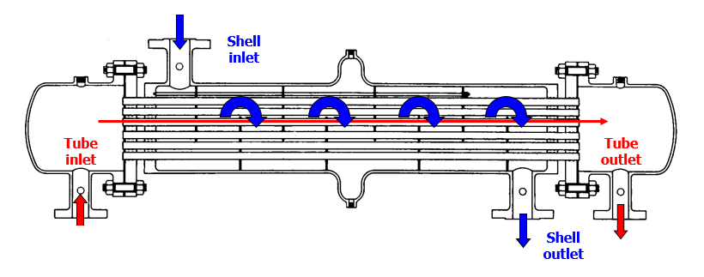
HE Flow Configuration = | 0
 | Parallel Flow

Tube Length = | 670 | mm
 | Input from Geometry Tab

Tube Length

TUBE SIDE PROPERTIES
 |  |  | Mass Flow Rate = | 0.2266 | kg/s | Nusselt Cor = | 4
 |  |  |  | 29.97 | Lb / min |  | Petukkov - Kirillov
 |  |  | Fluid Inlet Temp = | 720 | C | Outlet Temp = | 125.000 | C
 |  |  |  | 1328 | F |  | 257 | F
 |  |  | Fluid Type = | 1 |  | Pres Drop Formulation | 10
 |  |  |  | Air |  |  | Wolverine HT Data Book
 |  |  | Construction Material = | 1 | Fouling Factor = |  | 0
 |  |  |  | Stainless Steel - Generic

Geometry
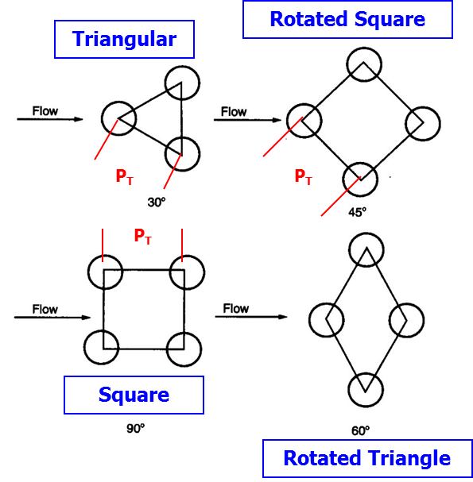
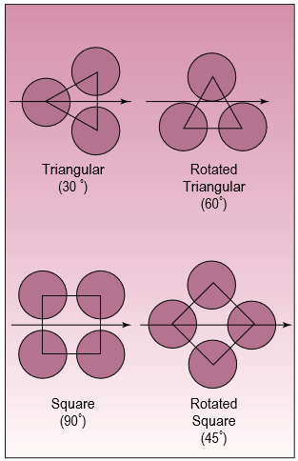

Shell to Tube Bundle Clearance
 |  |  | Shell Inside Diameter = | 126 | mm |  |  |  |  | Tube Layout = | Triangular

 |  |  | Tube Bundle Outer Diameter = | 99 | % |  |  |  |  | Tube Layout Angle = | 30
 |  |  | Relative to Shell ID |  |  |  |  |  |  | Square Pitch Flag = | 0

1 | mm |  |  |  |  |  |  |  |  | Number of Tubes = | 0
Lbb |  |  |  |  |  |  |  |  |  |  | If zero, program will calculate
 |  |  |  |  |  |  |  |  |  |  | Enter zero for DOE runs

 |  |  | Tube Pitch = | 0 | mm |  |  |  |  | Number of Tube Passes = | 1
 |  |  |  |  |  |  |  |  |  |  | Max 2 tube pass

 |  |  |  |  |  |  |  |  |  | CTP = | 0.93
 |  |  |  |  |  |  |  |  |  | CL = | 0.87
 |  |  | Tube Outer Dia = | 5.04 | mm |  |  |  |  | # of Tubes - Info Only | 328

 |  |  | Tube Thickness = | 0.40 | mm | Shell ID to Tube OD Ratio = | 25.00
 |  |  |  |  |  |  | Minimum Desired Tube OD is | 5.04 | mm
 |  |  | Tube ID = | 4.24 | mm | Tube Pitch to OD Ratio = | 1.25
 |  |  |  |  |  |  | 1.25 or higher
 |  |  | Tube Length = | 670.0 | mm
 |  |  |  |  |  | Shell Thickness = | 2 | mm

 |  | Center Tube OD = | 0 | mm
 |  |  | Used for Helical Baffles Only

Assumptions
Maximum tube passes is 2
2 Tube pass assumes U tubes

Baffles
 |  |  | Baffles Flag = | 0 | 0=No Baffles 1=Baffles |  |  |  | 0.81
 |  |  |  |  |  |  |  | Baffle Cut to Baffle Space Ratio - 1.0 is Ideal

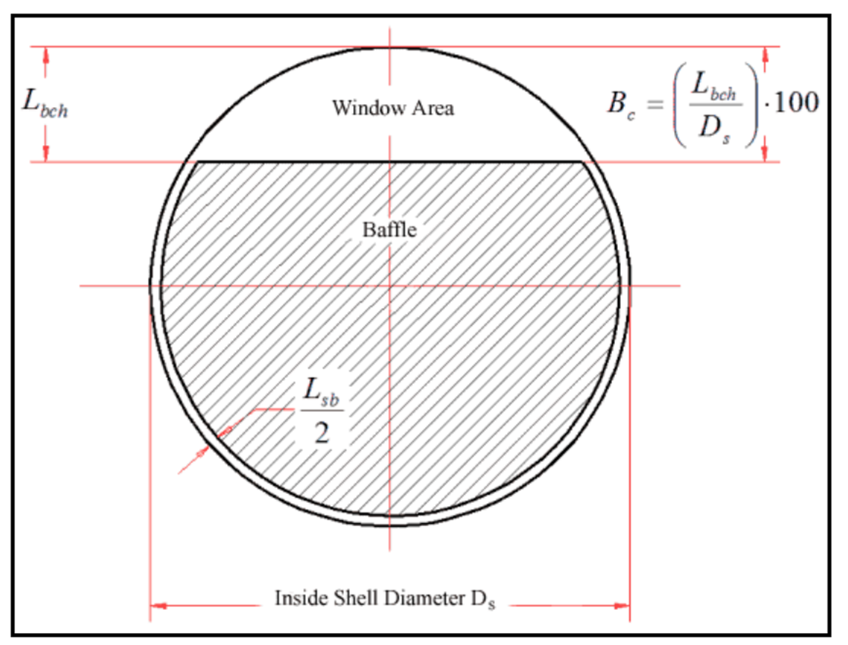
Baffle Cut % of Shell ID
Baffle
Baffle Cut
 | 60.5 | mm |  |  |  | 48 | %
 |  |  |  |  |  | 60.48 | mm

Baffle Thickness
Baffle to Shell Clearance
Baffle Space

 | 2 | mm |  |  |  |  |  |  | 74.4 | mm |  | 1.0 | mm
 | Lsb |  |  |  |  |  |  |  | Between 50mm & Shell ID is ideal |  |  | Effects HE Weight Only
Number of Baffles

 |  |  |  |  |  |  |  |  |  | 7
 |  |  | 126 |  | mm |  |  |  |  | calculated
 |  |  | Shell_ID From Geometry Page

 |  |  | Tube to Baffle Plate Clearance = | 0.50 | mm |  |  |  |  | Number of sealing Strips in one baffle = | 1
 |  |  |  | Ltb

 | Assumptions
 | Equal Baffle spacing

Std Tube Dims
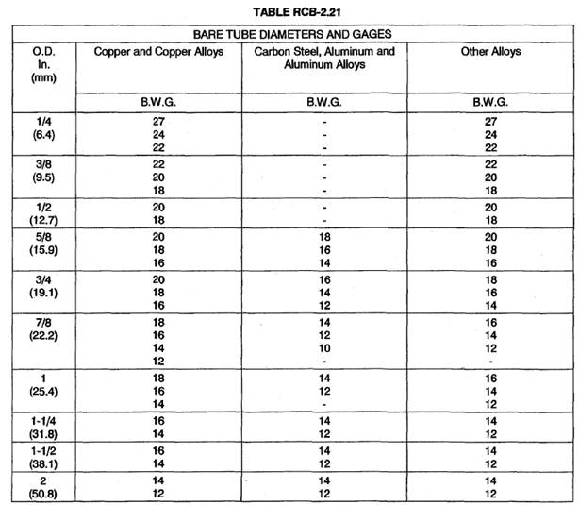
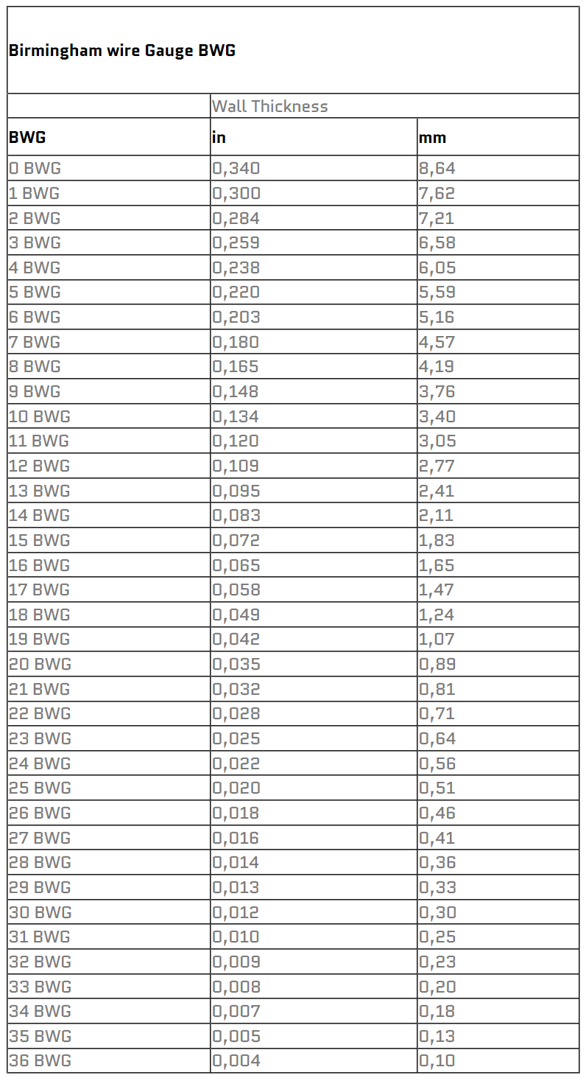
Tube OD |  | Tube ID | BWG | Tube Thickness
inche | mm | mm |  | mm | OD/ID
0.25 | 6.35 | 4.928 | 22 | 0.711 | 1.289
0.25 | 6.35 | 5.232 | 24 | 0.559 | 1.214
0.25 | 6.35 | 5.436 | 26 | 0.457 | 1.168

0.38 | 9.525 | 7.036 | 18 | 1.245 | 1.354
0.38 | 9.525 | 7.747 | 20 | 0.889 | 1.233
0.38 | 9.525 | 8.103 | 22 | 0.711 | 1.176
0.38 | 9.525 | 8.407 | 24 | 0.559 | 1.133

0.5 | 12.7 | 9.398 | 16 | 1.651 | 1.351
0.5 | 12.7 | 10.211 | 18 | 1.245 | 1.244
0.5 | 12.7 | 10.922 | 20 | 0.889 | 1.163
0.5 | 12.7 | 11.278 | 22 | 0.711 | 1.126

0.63 | 15.875 | 10.338 | 12 | 2.769 | 1.536
0.63 | 15.875 | 11.049 | 13 | 2.413 | 1.437
0.63 | 15.875 | 11.659 | 14 | 2.108 | 1.362
0.63 | 15.875 | 12.217 | 15 | 1.829 | 1.299
0.63 | 15.875 | 12.649 | 16 | 1.651 | 1.263
0.63 | 15.875 | 12.929 | 17 | 1.473 | 1.228
0.63 | 15.875 | 13.386 | 18 | 1.245 | 1.186
0.63 | 15.875 | 13.741 | 19 | 1.067 | 1.155
0.63 | 15.875 | 14.097 | 20 | 0.889 | 1.136

0.75 | 19.05 | 12.243 | 10 | 3.404 | 1.556
0.75 | 19.05 | 12.954 | 11 | 3.048 | 1.471
0.75 | 19.05 | 13.513 | 12 | 2.769 | 1.41
0.75 | 19.05 | 14.224 | 13 | 2.413 | 1.339
0.75 | 19.05 | 14.834 | 14 | 2.108 | 1.284
0.75 | 19.05 | 15.392 | 15 | 1.829 | 1.238
0.75 | 19.05 | 15.748 | 16 | 1.651 | 1.21
0.75 | 19.05 | 16.104 | 17 | 1.473 | 1.183
0.75 | 19.05 | 16.561 | 18 | 1.245 | 1.15
0.75 | 19.05 | 17.272 | 20 | 0.889 | 1.103

0.88 | 22.225 | 15.418 | 10 | 3.404 | 1.441
0.88 | 22.225 | 16.129 | 11 | 3.048 | 1.378
0.88 | 22.225 | 16.688 | 12 | 2.769 | 1.332
0.88 | 22.225 | 17.399 | 13 | 2.413 | 1.277
0.88 | 22.225 | 18.009 | 14 | 2.108 | 1.234
0.88 | 22.225 | 18.923 | 16 | 1.651 | 1.174
0.88 | 22.225 | 19.736 | 18 | 1.245 | 1.126
0.88 | 22.225 | 20.447 | 20 | 0.889 | 1.087

1.00 | 25.400 | 17.018 | 8 | 4.191 | 1.493
1.00 | 25.400 | 18.593 | 10 | 3.404 | 1.366
1.00 | 25.400 | 19.304 | 11 | 3.048 | 1.316
1.00 | 25.400 | 19.863 | 12 | 2.769 | 1.279
1.00 | 25.400 | 20.574 | 13 | 2.413 | 1.235
1.00 | 25.400 | 21.184 | 14 | 2.108 | 1.199
1.00 | 25.400 | 21.742 | 15 | 1.829 | 1.167
1.00 | 25.400 | 22.098 | 16 | 1.651 | 1.119

Sheet3
mdot | Run# | Weight_HE | DP_Shell | DP_Tube | q_Calc | q_Desired | (Desired-Calculated) | N_tube
0.1 | 1 | 24.47 | 273.45 | 35498.33 | 61383.97 | 163870.16 | 102486.19 | 367
0.2 | 2 | 24.47 | 865.83 | 31991.54 | 110580.13 | 163870.16 | 53290.03 | 367
0.3 | 3 | 24.47 | 1858.5 | 30839.34 | 125965.73 | 163870.16 | 37904.43 | 367
0.5 | 4 | 24.47 | 4878.51 | 29918.45 | 138730.78 | 163870.16 | 25139.38 | 367
1 | 5 | 24.47 | 18153.52 | 29227.06 | 149047.47 | 163870.16 | 14822.69 | 367
2 | 6 | 24.47 | 67819.72 | 28881.26 | 154818.68 | 163870.16 | 9051.48 | 367
3 | 7 | 24.47 | 147329.14 | 28766.01 | 156960.77 | 163870.16 | 6909.39 | 367
4 | 8 | 24.47 | 255657.49 | 28708.39 | 158112.3 | 163870.16 | 5757.86 | 367
5 | 9 | 24.47 | 392190.05 | 28673.81 | 158842.9 | 163870.16 | 5027.26 | 367
10 | 10 | 24.47 | 1484691.24 | 28604.67 | 160454.89 | 163870.16 | 3415.27 | 367

